panel arrangement
Mainz
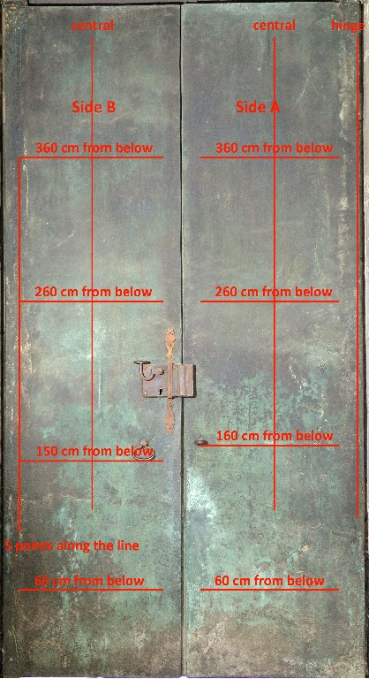
 | A | B
1 | Inschriften | Inschriften
2 | Blank mit Türzieher (Löwenkopf) | Blank mit Türzieher (Löwenkopf)

The XRF analyses were carried out by researchers of the CNR-IBE S. Michele all'Adige (Trento, Italy) (M. Negri, M. Fellin, J. Bontadi) with an Oxford Instruments X-MET5100 instrument with a high resolution detector, under the following measurement conditions: 40 kV voltage, 10 µA current and 60 s acquisition time with spot measurements of approximately 9 mm in diameter.

x,y coordinates (in cm) indicate the position of the measurements, starting from the lower left corner of each panel; "time" indicates the date andtime of analyses.

