panels
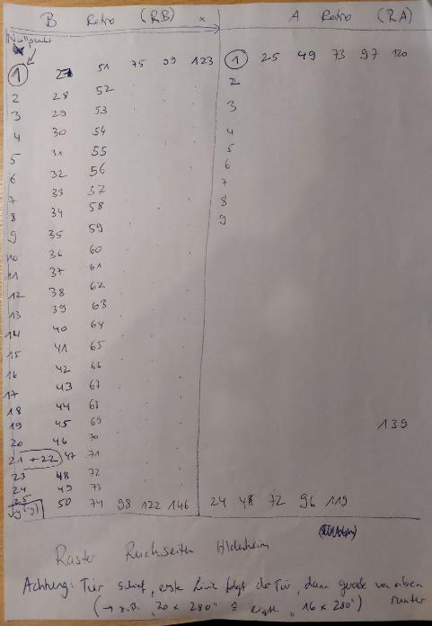
Hildesheim

 | A | B
1 | Erschaffung Adams | Noli me tangere und Himmelfahrt
2 | Zuführung Evas | Die Frauen am Grabe
3 | Südenfall | Kreuzigung Christi
4 | Verhör und Verurteilung | Christi vor Pilatus-Herodes
5 | Vertreibung aus dem Paradies | Darbringung im Tempel
6 | Erdenleben von Adam und Eva | Anbetung der Könige
7 | Opfer Kains und Abels | Geburt Christi
8 | Brudermord | Verkündigung

 | The XRF analyses were carried out by researchers of the CNR-IBE S. Michele all'Adige (Trento, Italy) (M. Negri, M. Fellin, J. Bontadi) with an Oxford Instruments X-MET5100 instrument with a high resolution detector, under the following measurement conditions: 40 kV voltage, 10 µA current and 60 s acquisition time with spot measurements of approximately 9 mm in diameter.

 | x,y coordinates (in cm) indicate the position of the measurements, starting from the lower left corner of each panel; "time" indicates the date andtime of analyses.

Hildesheim
no. | panel | no. analyses | detail | x | y | Cu | Sn | Pb | Zn | Fe | Mn | Ni | Ag | As | Sb | Ti | Cr | Co | Br | Sr | Nb | other (≥0.1 wt.%) | Time | Sample
Hildesheim_001 | A1 | 1 | background between tree and god |  |  | 76.7 | 4.7 | 12.8 | 3.6 | 1.4 |  |  | 0.1 | 0.3 | 0.1 | 0.3 |  |  |  |  |  |  | 12/13/22 4:46:51 PM | HIL A1 1
Hildesheim_002 | A1 | 2 | background top right |  |  | 73.3 | 6 | 13.4 | 5.6 | 1.2 |  |  | 0.1 | 0.3 |  | 0.1 |  |  |  |  |  |  | 12/13/22 4:47:59 PM | HIL A1 2
Hildesheim_003 | A1 | 3 | god, dress |  |  | 76.5 | 4.2 | 13.1 | 4.4 | 1.1 |  |  | 0.1 | 0.4 |  | 0.2 |  |  |  |  |  |  | 12/13/22 4:49:52 PM | HIL A1 3
Hildesheim_004 | A1 | 4 | god, halo |  |  | 78.3 | 4 | 12.2 | 3.3 | 1.6 | 0.1 |  | 0.1 |  |  | 0.4 |  |  |  |  |  |  | 12/13/22 4:51:00 PM | HIL A1 4
Hildesheim_005 | A1 | 5 | god, head |  |  | 68.8 | 4.7 | 18.5 | 4.1 | 2.5 | 0.1 |  | 0.1 |  | 0.1 | 0.8 |  |  |  | 0.1 |  | V | 12/13/22 4:53:04 PM | HIL A1 5
Hildesheim_006 | A1 | 6 | Adam, leg |  |  | 78.1 | 4.1 | 12.9 | 3.4 | 1.2 |  |  | 0.1 |  |  | 0.1 |  |  |  |  |  |  | 12/13/22 4:55:37 PM | HIL A1 6
Hildesheim_007 | A1 | 7 | Eve, head |  |  | 68.5 | 6.8 | 15.6 | 5.3 | 3.3 | 0.1 |  | 0.1 |  |  | 0.3 |  |  |  | 0.1 |  | Zr | 12/13/22 4:56:59 PM | HIL A1 7
Hildesheim_008 | A1 | 8 | angel, halo |  |  | 72.2 | 5.7 | 18.8 | 1.6 | 1.4 |  |  | 0.1 |  |  | 0.2 |  |  |  |  |  |  | 12/13/22 4:58:19 PM | HIL A1 8
Hildesheim_009 | A1 | 9 | angel, head |  |  | 78 | 5.4 | 13.3 | 1.7 | 1.3 |  |  | 0.1 |  |  | 0.1 |  |  |  |  |  |  | 12/13/22 4:59:41 PM | HIL A1 9
Hildesheim_010 | A1 | 10 | frame left, centre |  |  | 70.9 | 1.9 | 18.6 | 6.5 | 1.2 |  |  | 0.1 | 0.6 |  | 0.1 |  |  |  |  |  |  | 12/13/22 5:00:55 PM | HIL A1 10
Hildesheim_011 | A1 | 11 | frame below, centre |  |  | 72.5 | 4.6 | 17.5 | 3.4 | 1.2 |  |  | 0.1 | 0.3 |  | 0.3 |  |  |  |  |  |  | 12/13/22 5:02:08 PM | HIL A1 11
Hildesheim_012 | A1 | 12 | frame right, centre |  |  | 72.2 | 6.1 | 15 | 4.8 | 1.3 |  |  | 0.1 | 0.2 |  | 0.2 |  |  |  |  |  |  | 12/13/22 5:03:20 PM | HIL A1 12
Hildesheim_013 | A1 | 13 | frame top, centre |  |  | 78.9 | 4.2 | 11.4 | 3.8 | 1.1 |  |  | 0.1 | 0.3 |  | 0.1 |  |  |  |  |  |  | 12/13/22 5:04:31 PM | HIL A1 13
Hildesheim_014 | A2 | 1 | background top left | 4 | 46 | 68.4 | 8.4 | 15.7 | 5.5 | 1.3 |  |  | 0.1 | 0.3 |  | 0.2 |  |  |  |  |  |  | 12/13/22 4:23:02 PM | HIL A2 1
Hildesheim_015 | A2 | 2 | background bottom right | 87 | 5 | 72.7 | 2.6 | 19.1 | 4.1 | 0.9 |  |  | 0.1 | 0.2 |  | 0.1 |  |  |  |  |  |  | 12/13/22 4:24:50 PM | HIL A2 2
Hildesheim_016 | A2 | 3 | Eve, leg |  |  | 76.8 | 1.7 | 15 | 5.3 | 0.9 |  |  | 0.1 | 0.2 |  |  |  |  |  |  |  |  | 12/13/22 4:27:35 PM | HIL A2 3
Hildesheim_017 | A2 | 4 | Adam, leg |  |  | 77.4 | 4.2 | 12.9 | 3.6 | 1.2 |  |  | 0.1 | 0.2 |  | 0.2 |  |  |  |  |  |  | 12/13/22 4:28:53 PM | HIL A2 4
Hildesheim_018 | A2 | 5 | god, arm |  |  | 74.5 | 4.8 | 14.7 | 4 | 1.4 |  |  | 0.1 |  |  | 0.2 |  |  |  | 0.1 |  | Zr | 12/13/22 4:30:12 PM | HIL A2 5
Hildesheim_019 | A2 | 6 | god, head |  |  | 68.4 | 5.1 | 18.4 | 3.9 | 3 |  |  | 0.1 |  |  | 0.7 |  |  |  | 0.1 |  |  | 12/13/22 4:31:51 PM | HIL A2 6
Hildesheim_020 | A2 | 7 | god, halo |  |  | 69 | 4.4 | 18.4 | 4.3 | 2.8 | 0.1 |  | 0.1 |  |  | 0.7 |  |  |  | 0.1 |  |  | 12/13/22 4:33:23 PM | HIL A2 7
Hildesheim_021 | A2 | 8 | frame left, centre |  |  | 69.3 | 5.4 | 17.8 | 5.7 | 1 |  |  | 0.1 | 0.5 |  | 0.1 |  |  |  |  |  |  | 12/13/22 4:34:44 PM | HIL A2 8
Hildesheim_022 | A2 | 9 | frame below, centre |  |  | 75.1 | 4.8 | 14.3 | 4 | 1.2 |  |  | 0.1 | 0.2 |  | 0.3 |  |  |  |  |  |  | 12/13/22 4:36:07 PM | HIL A2 9
Hildesheim_023 | A2 | 10 | frame right, centre |  |  | 78 | 1.5 | 13.9 | 5.3 | 0.8 |  |  | 0.1 | 0.3 |  |  |  |  |  |  |  |  | 12/13/22 4:37:24 PM | HIL A2 10
Hildesheim_024 | A3 | 1 | background bottom left | 6 | 7 | 63 | 7.7 | 24.2 | 3.3 | 1.5 |  |  | 0.1 |  |  | 0.1 |  |  |  |  |  |  | 12/13/22 3:27:47 PM | HIL A3 1
Hildesheim_025 | A3 | 2 | background top right | 88 | 48 | 70.8 | 6.9 | 15.3 | 4.6 | 1.8 |  |  | 0.1 |  |  | 0.3 |  |  |  |  |  | Zr | 12/13/22 3:29:27 PM | HIL A3 2
Hildesheim_026 | A3 | 3 | Adam, chest |  |  | 74.8 | 7.5 | 12.4 | 3.4 | 1.3 |  |  | 0.1 | 0.2 |  | 0.1 |  |  |  |  |  |  | 12/13/22 3:33:35 PM | HIL A3 3
Hildesheim_027 | A3 | 4 | Adam, head |  |  | 75 | 6.5 | 12.9 | 3.5 | 1.7 |  |  | 0.1 |  |  | 0.2 |  |  |  |  |  |  | 12/13/22 3:34:53 PM | HIL A3 4
Hildesheim_028 | A3 | 5 | Eve, head |  |  | 77.3 | 6.8 | 9.9 | 4 | 1.5 |  |  | 0.1 | 0.3 |  | 0.1 |  |  |  |  |  |  | 12/13/22 3:36:10 PM | HIL A3 5
Hildesheim_029 | A3 | 6 | repair: background right |  |  | 79.6 | 3.7 | 14.7 | 0.5 | 0.8 |  |  | 0.1 | 0.4 |  | 0.1 |  |  |  |  |  |  | 12/13/22 3:37:41 PM | HIL A3 6
Hildesheim_030 | A3 | 7 | frame left, centre |  |  | 72.5 | 5.6 | 16 | 3.8 | 1.4 | 0.1 |  | 0.1 | 0.3 |  | 0.1 |  |  |  |  |  |  | 12/13/22 3:39:07 PM | HIL A3 7
Hildesheim_031 | A3 | 8 | frame below, centre |  |  | 80.5 | 6.7 | 6.9 | 4.4 | 0.8 |  |  | 0.1 | 0.4 |  | 0.1 |  |  |  |  |  |  | 12/13/22 3:40:23 PM | HIL A3 8
Hildesheim_032 | A3 | 9 | frame right, centre |  |  | 73 | 5.6 | 14.6 | 5.1 | 1.2 |  |  | 0.1 | 0.2 |  | 0.1 |  |  |  |  |  |  | 12/13/22 3:41:39 PM | HIL A3 9
Hildesheim_033 | A4 | 1 | background between god and Adam | 35 | 17 | 81.7 | 5.3 | 7.7 | 4 | 0.9 |  |  | 0.1 | 0.2 |  |  |  |  |  |  |  |  | 12/13/22 2:33:56 PM | HIL A4 1
Hildesheim_034 | A4 | 2 | background top right | 72 | 42 | 81.8 | 5.9 | 6.3 | 4.5 | 0.9 |  |  | 0.1 | 0.3 |  | 0.1 |  |  |  |  |  |  | 12/13/22 2:37:18 PM | HIL A4 2
Hildesheim_035 | A4 | 3 | god, dress |  |  | 79.5 | 6.7 | 7.9 | 4.4 | 1 |  |  | 0.1 | 0.4 |  |  |  |  |  |  |  |  | 12/13/22 2:39:11 PM | HIL A4 3
Hildesheim_036 | A4 | 4 | god, halo |  |  | 68.8 | 7.9 | 16.2 | 3.9 | 2.6 | 0.1 |  | 0.1 |  |  | 0.3 |  |  |  | 0.1 |  |  | 12/13/22 2:40:46 PM | HIL A4 4
Hildesheim_037 | A4 | 5 | Adam, leg |  |  | 81.8 | 2.4 | 9.4 | 4.7 | 1 |  |  | 0.1 | 0.5 | 0.1 | 0.1 |  |  |  |  |  |  | 12/13/22 2:42:08 PM | HIL A4 5
Hildesheim_038 | A4 | 6 | Adam, head |  |  | 72 | 4.2 | 16.2 | 4.1 | 2.6 | 0.1 |  | 0.1 |  |  | 0.4 |  |  |  | 0.2 |  | Zr | 12/13/22 2:43:34 PM | HIL A4 6
Hildesheim_039 | A4 | 7 | Eve, back |  |  | 72.9 | 4.8 | 15.9 | 4.3 | 1.7 | 0.1 |  | 0.1 |  |  | 0.2 |  |  |  |  |  |  | 12/13/22 2:44:46 PM | HIL A4 7
Hildesheim_040 | A4 | 8 | Eve, head |  |  | 74.3 | 4.8 | 14.3 | 4.5 | 1.7 | 0.1 |  | 0.1 |  |  | 0.2 |  |  |  | 0.1 |  |  | 12/13/22 2:46:01 PM | HIL A4 8
Hildesheim_041 | A4 | 9 | frame left, centre |  |  | 77.8 | 5.8 | 11 | 3.5 | 1.1 |  |  | 0.1 | 0.4 |  | 0.2 |  |  |  |  |  |  | 12/13/22 2:47:21 PM | HIL A4 9
Hildesheim_042 | A4 | 10 | frame below, centre |  |  | 77.4 | 3.5 | 13.3 | 4.1 | 1.1 |  |  | 0.1 | 0.4 |  |  |  |  |  |  |  |  | 12/13/22 2:48:39 PM | HIL A4 10
Hildesheim_043 | A4 | 11 | frame below, right (letter "M") |  |  | 78.2 | 7.2 | 7.2 | 5.9 | 0.9 |  |  | 0.1 | 0.4 |  |  |  |  |  |  |  |  | 12/13/22 2:49:51 PM | HIL A4 11
Hildesheim_044 | A4 | 12 | frame right, centre |  |  | 76.9 | 5.8 | 10.8 | 4.5 | 1.2 | 0.1 |  | 0.1 |  | 0.1 | 0.2 |  |  |  | 0.4 |  |  | 12/13/22 3:20:27 PM | HIL A4 12
Hildesheim_045 | A5 | 1 | background centre left | 3 | 16 | 61.8 | 6 | 24.8 | 5.5 | 1.6 | 0.1 |  | 0.1 |  |  | 0.1 |  |  |  |  |  |  | 12/13/22 12:08:02 PM | HIL A5 1
Hildesheim_046 | A5 | 2 | background centre | 56 | 4 | 74.5 | 5.4 | 15.1 | 3.2 | 1.2 |  |  | 0.1 | 0.2 |  | 0.1 |  |  |  |  |  |  | 12/13/22 12:09:56 PM | HIL A5 2
...
no. | panel | no. analyses | detail | x | y | Cu | Sn | Pb | Zn
Hildesheim_478 | B backside | 143 |  | 110 | -400 | 73.2 | 9.8 | 9.9 | 6.3
Hildesheim_479 | B backside | 144 |  | 110 | -420 | 50 | 9.6 | 32.9 | 3.5
Hildesheim_480 | B backside | 145 |  | 110 | -440 | 67.3 | 10.2 | 15.2 | 5.1
Hildesheim_481 | B backside | 146 |  | 110 | -460 | 70.5 | 10 | 11.6 | 5.3
Hildesheim_482 | B backside | Test 1 | bronze 2 |  |  | 74 | 13.2 | 9.6 | 1
Hildesheim_483 | B backside | Test 2 | bronze 1 |  |  | 62.6 | 13.6 | 21.5 | 0.6
Hildesheim_484 | B backside | Test 3 | marrone |  |  | 73.8 | 12.6 | 7.3 | 1.3
Hildesheim_485 | B backside | Test 4 | green light |  |  | 79.1 | 12.3 | 6.2 | 1.2
Hildesheim_486 | B backside | Test 5 | green dark |  |  | 78.3 | 12.4 | 6.8 | 1.3

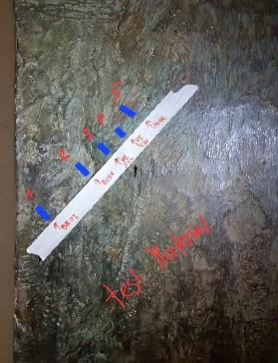

Taufbecken
 | details | Cu | Sn | Pb | Zn | Fe | Ag | As | Sb | Nb | Time | Sample | Sample | Mn | Fe | Ni | Cu | Zn | As | Sr | Nb | Ag | Sn | Sb | Pb | Bi | Time | Sec.
 | Deckel | 77 | 5.7 | 1.2 | 14.1 | 1.4 |  | 0.2 | 0.1 | 0.1 | 12/13/22 11:51:57 AM | HIL bapt 1 | HIL bapt 1 | 0.0032 | 0.0077 | 0.0026 | 0.051 | 0.019 | 0.019 |  | 0.0017 | 0.0022 | 0.013 | 0.0042 | 0.037 |  | 12/13/22 11:51:57 AM | 60
 | Deckel | 77.9 | 5.5 | 1.9 | 12.9 | 1.3 |  | 0.3 | 0.2 | 0.1 | 12/13/22 11:53:35 AM | HIL bapt 2 | HIL bapt 2 | 0.0033 | 0.0075 | 0.0026 | 0.052 | 0.018 | 0.023 | 0.0011 | 0.0016 | 0.0023 | 0.013 | 0.0045 | 0.046 |  | 12/13/22 11:53:35 AM | 60
 | Deckel | 78.4 | 4.7 | 1.5 | 13.8 | 1.1 |  | 0.2 | 0.1 | 0.1 | 12/13/22 11:54:54 AM | HIL bapt 3 | HIL bapt 3 | 0.0030 | 0.0069 | 0.0024 | 0.051 | 0.018 | 0.021 |  | 0.0017 | 0.0021 | 0.012 | 0.0041 | 0.041 |  | 12/13/22 11:54:54 AM | 60
Hildesheim_Taufbecken_4 | Deckel Spitze | 79.8 | 4.2 | 0.7 | 13.6 | 1.3 |  | 0.2 | 0.1 | 0.1 | 12/13/22 11:56:37 AM | HIL bapt 4 | HIL bapt 4 | 0.0029 | 0.0073 | 0.0024 | 0.052 | 0.018 | 0.015 | 0.0010 | 0.0017 | 0.0021 | 0.012 | 0.0041 | 0.029 |  | 12/13/22 11:56:37 AM | 60
Hildesheim_Taufbecken_5 | Kessel (Maria mit Neugeborenen; Hintergrund Mitte rechts | 82.5 | 5.2 | 0.9 | 10.1 | 0.7 | 0.1 | 0.2 | 0.2 | 0.1 | 12/13/22 11:57:57 AM | HIL bapt 5 | HIL bapt 5 | 0.0030 | 0.0056 | 0.0027 | 0.052 | 0.016 | 0.016 |  | 0.0016 | 0.0022 | 0.013 | 0.0045 | 0.032 |  | 12/13/22 11:57:57 AM | 60
Hildesheim_Taufbecken_6 | Kessel (Taufszene; Johannes' Bein) | 78.3 | 6.4 | 0.8 | 13 | 0.9 |  | 0.3 | 0.2 | 0.1 | 12/13/22 11:59:25 AM | HIL bapt 6 | HIL bapt 6 | 0.0032 | 0.0063 | 0.0026 | 0.051 | 0.018 | 0.016 |  | 0.0016 | 0.0022 | 0.014 | 0.0044 | 0.032 | 0.0032 | 12/13/22 11:59:25 AM | 60
Hildesheim_Taufbecken_7 | Tragende Figur mit Gefäß | 79.5 | 4.7 | 0.9 | 13.4 | 0.8 |  | 0.2 | 0.2 | 0.1 | 12/13/22 12:01:17 PM | HIL bapt 7 | HIL bapt 7 | 0.0031 | 0.0061 | 0.0027 | 0.052 | 0.018 | 0.017 |  | 0.0017 | 0.0022 | 0.012 | 0.0046 | 0.034 |  | 12/13/22 12:01:17 PM | 60
Hildesheim_Taufbecken_8 | Tragende Figur mit nach untem weisenden Gefäß | 79.1 | 5.1 | 0.4 | 13.8 | 0.9 |  | 0.2 | 0.2 | 0.1 | 12/13/22 12:02:36 PM | HIL bapt 8 | HIL bapt 8 | 0.0030 | 0.0062 | 0.0025 | 0.051 | 0.018 | 0.013 | 0.00096 | 0.0016 | 0.0022 | 0.013 | 0.0045 | 0.025 |  | 12/13/22 12:02:36 PM | 60
Hildesheim_Taufbecken_9 | Tragende Figur | 78.7 | 6.3 | 0.3 | 13.3 | 0.8 |  | 0.2 | 0.2 | 0.1 | 12/13/22 12:04:12 PM | HIL bapt 9 | HIL bapt 9 | 0.0032 | 0.0059 | 0.0026 | 0.052 | 0.018 | 0.011 |  | 0.0015 | 0.0022 | 0.014 | 0.0044 | 0.021 | 0.0031 | 12/13/22 12:04:12 PM | 60
Hildesheim_Taufbecken_10 | Tragende Figur mit Schwert | 82.3 | 4.2 | 0.9 | 11.3 | 0.7 |  | 0.3 | 0.2 | 0.1 | 12/13/22 12:05:32 PM | HIL bapt 10 | HIL bapt 10 | 0.0030 | 0.0055 | 0.0026 | 0.051 | 0.016 | 0.017 |  | 0.0017 | 0.0021 | 0.011 | 0.0042 | 0.034 |  | 12/13/22 12:05:32 PM | 60
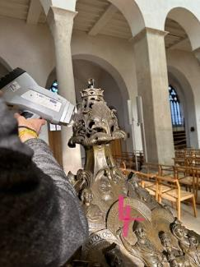
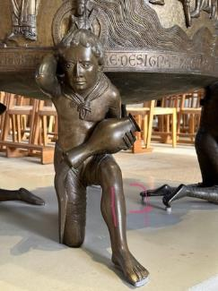
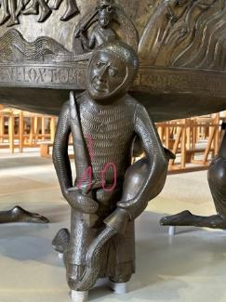
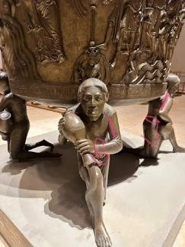
Cu-Sn-Zn alloy!

